Hoja1
 | Data

1 | Head

2 | Desc

3 | # registros

4 | Más agregaciones |  | promedio | sum_quantity | count_invoices | min_rating | max_rating
 |  | City
 |  | Mandalay | 879,247.6 | 1,820.0 | 332.0 | 4.0 | 99.0
 |  | Naypyitaw | 925,844.8 | 1,831.0 | 328.0 | 4.0 | 99.0
 |  | Yangon | 827,879.6 | 1,859.0 | 340.0 | 4.0 | 99.0

5 | Agrupación con dos cols |  |  | mean_total | sum_quantity | count_invoices | avg_rating
 |  | City | Customer type
 |  | Mandalay | Member | 984,775.7 | 924.0 | 165.0 | 56.9
 |  | Mandalay | Normal | 774,983.4 | 896.0 | 167.0 | 62.0
 |  | Naypyitaw | Member | 1,080,989.0 | 897.0 | 169.0 | 64.9
 |  | Naypyitaw | Normal | 760,943.1 | 934.0 | 159.0 | 63.5
 |  | Yangon | Member | 725,360.1 | 964.0 | 167.0 | 63.8
 |  | Yangon | Normal | 926,843.5 | 895.0 | 173.0 | 64.1

Lo demás está en el notebook….

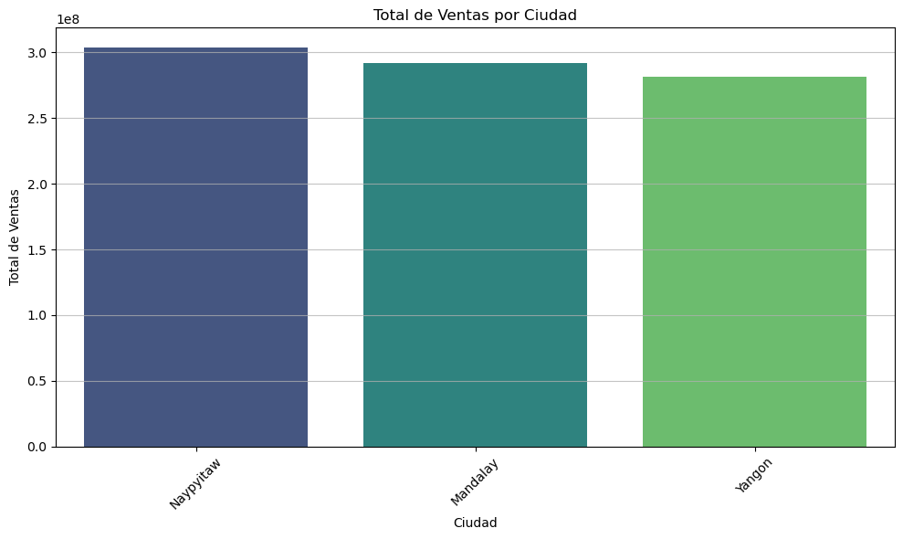
 | Gráfico

